Controller Cable Information
EM-100 Controller Controller and 2000W Mid Drive Motor
 | 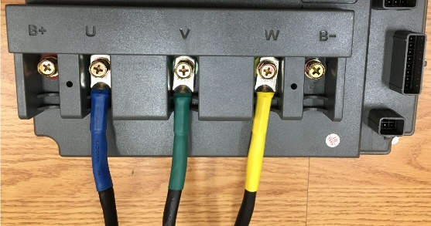 | Controller Picture. 1) Motor big blue cable connects to controller "U" blue color. 2) Motor big green cable connects to controller "V" green color. 3) Motor big yellow cable connects to controller "W" yellow color. 4) Battery + connects to Controller B+ red color. 5) Battery - connects controller B- black color. 6) Please put black cover on controller after cables connections.
A |  | Main Function Cable
B |  | Hall Sensor Connect Cable. Connect with Hall Plug of Mid Drive Motor directly.
C |  | Anti-Theft Connect Cable 1) Black Cable, Anti-Theft Negative 2) Red Cable, Anti-Theft Battery Positive 3) Orange Cable, Anti-Theft power in 4) Blue Cable, Anti-Theft Signal 5) Yellow Cable, Anti-Theft Motor Signal

A1 |  | White color Cable for Communication, for Speedometer.
A2 |  | Throttle Plug 1) Pink, +5V power 2) Green, Throttle Signal 3) Black (2), Throttle Negative
A3 |  | Reverse Function Plug 1) Black, Negative 2) White/Gray, Reverse
A4 |  | Speed Gears / 3-Speed Plug 1) Green/White, Speed 1, 2) Black (2), Negative 3) Black/White, Speed 3
A5 |  | Boost/Sport Mode 1) Yellow/White, Accelerate high speed 2) Black (2), Negative
A6 |  | Low Brake 1) Black/Gray Cable, low brake cable 2) Black Cable, Negative
A7 |  | High Brake Purple color cable, will work after connecting to DC 12V.
A8 |  | E-Lock, Purple/Gray Color Cable， connect to Battery+
A9 |  | Program Plug. 1) If controller without CAN, use this plug for programming. 2) If controller with CAN, this plug for Programming and CAN. a) Blue Color, CAN-H b) Orange Color, CAN-L

